Hoja1
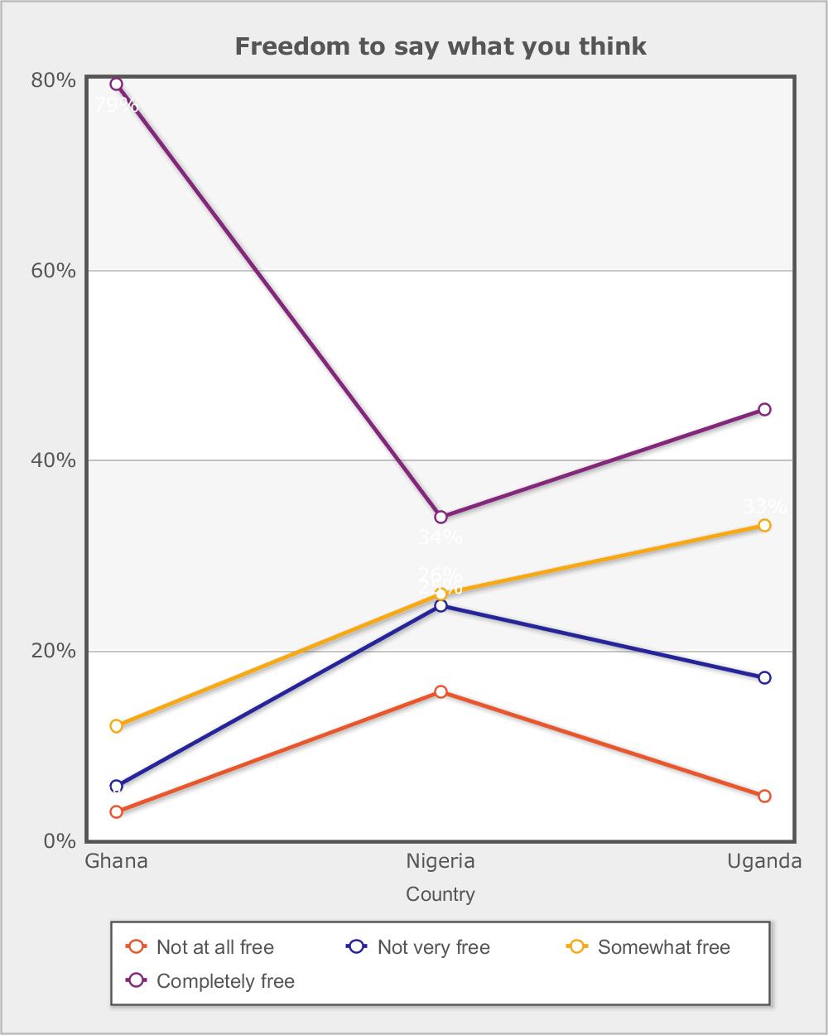
 |  |  | Afrobarometer (R4 2008/2009)
 |  |  | Freedom to choose who to vote for
 |  |  | In this country, how free are you to choose who to vote for without feeling pressured?

Category | Total | Round
 |  | R4 | R5 | R6
Country - | Total
Not at all free | 3.3% | 4.9% | 2.4% | 2.8%
Not very free | 7.1% | 10.5% | 5.3% | 6.1%
Somewhat free | 19.1% | 21.7% | 18.8% | 17.2%
Completely free | 69.3% | 60.6% | 72.9% | 73.0%
Don't know | 1.2% | 2.3% | 0.6% | 0.8%
(N) | 20,351 (100%) | 5,955 (100%) | 7,200 (100%) | 7,196 (100%)
Country - | Ghana
Not at all free | 0.8% | 1.7% | 0.1% | 1.1%
Not very free | 1.5% | 1.2% | 1.1% | 2.1%
Somewhat free | 8.0% | 5.1% | 6.9% | 10.7%
Completely free | 88.8% | 90.2% | 91.4% | 85.5%
Don't know | 0.8% | 1.8% | 0.5% | 0.7%
(N) | 5,996 (100%) | 1,200 (100%) | 2,400 (100%) | 2,396 (100%)
Country - | Nigeria
Not at all free | 6.3% | 9.0% | 4.1% | 5.9%
Not very free | 12.1% | 15.7% | 7.5% | 13.2%
Somewhat free | 27.9% | 25.3% | 27.5% | 30.8%
Completely free | 51.8% | 46.2% | 60.0% | 49.0%
Don't know | 1.9% | 3.7% | 0.9% | 1.0%
(N) | 7,124 (100%) | 2,324 (100%) | 2,400 (100%) | 2,400 (100%)
Country - | Uganda
Not at all free | 2.3% | 2.6% | 2.9% | 1.4%
Not very free | 6.8% | 10.0% | 7.3% | 3.1%
Somewhat free | 19.5% | 26.3% | 22.1% | 10.1%
Completely free | 70.5% | 59.7% | 67.2% | 84.6%
Don't know | 0.9% | 1.3% | 0.5% | 0.8%
(N) | 7,231 (100%) | 2,431 (100%) | 2,400 (100%) | 2,400 (100%)

Data source: Afrobarometer

